Sheet1
 |  | List # 1 |  | Fiji Directories Ltd Post DPS Upgrade Problems |  | Updated 09.06.17

# | Date | Production Assistant | Type Of Issue | Details | Datec Response | Screen Shots

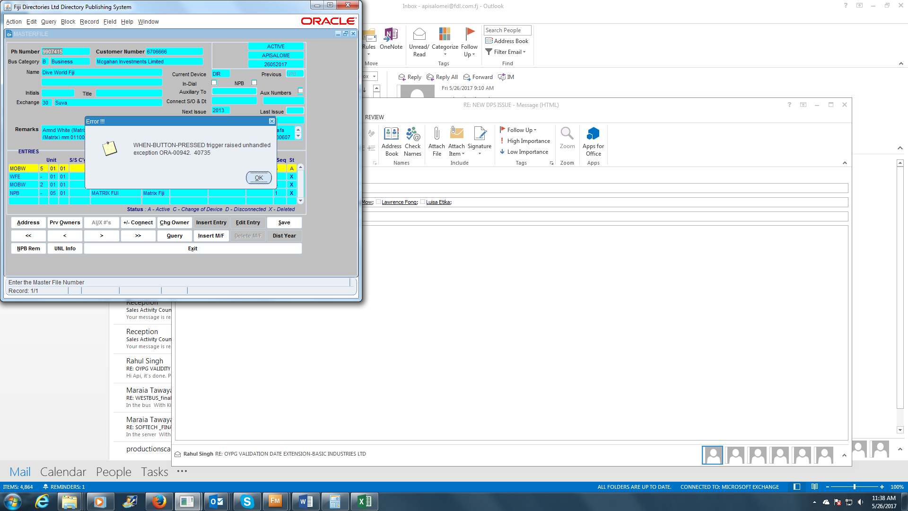

1 | 26.05.17 | Apisalome | Change of Ownership | Cannot do a direct change of ownership with the new system. The same goes for disconnected entries. | Work In Progress

2 | 26.05.17 | Apisalome | Online Form | Online listing for new entry WHITE also includes Yellow Pages entries | Work In Progress
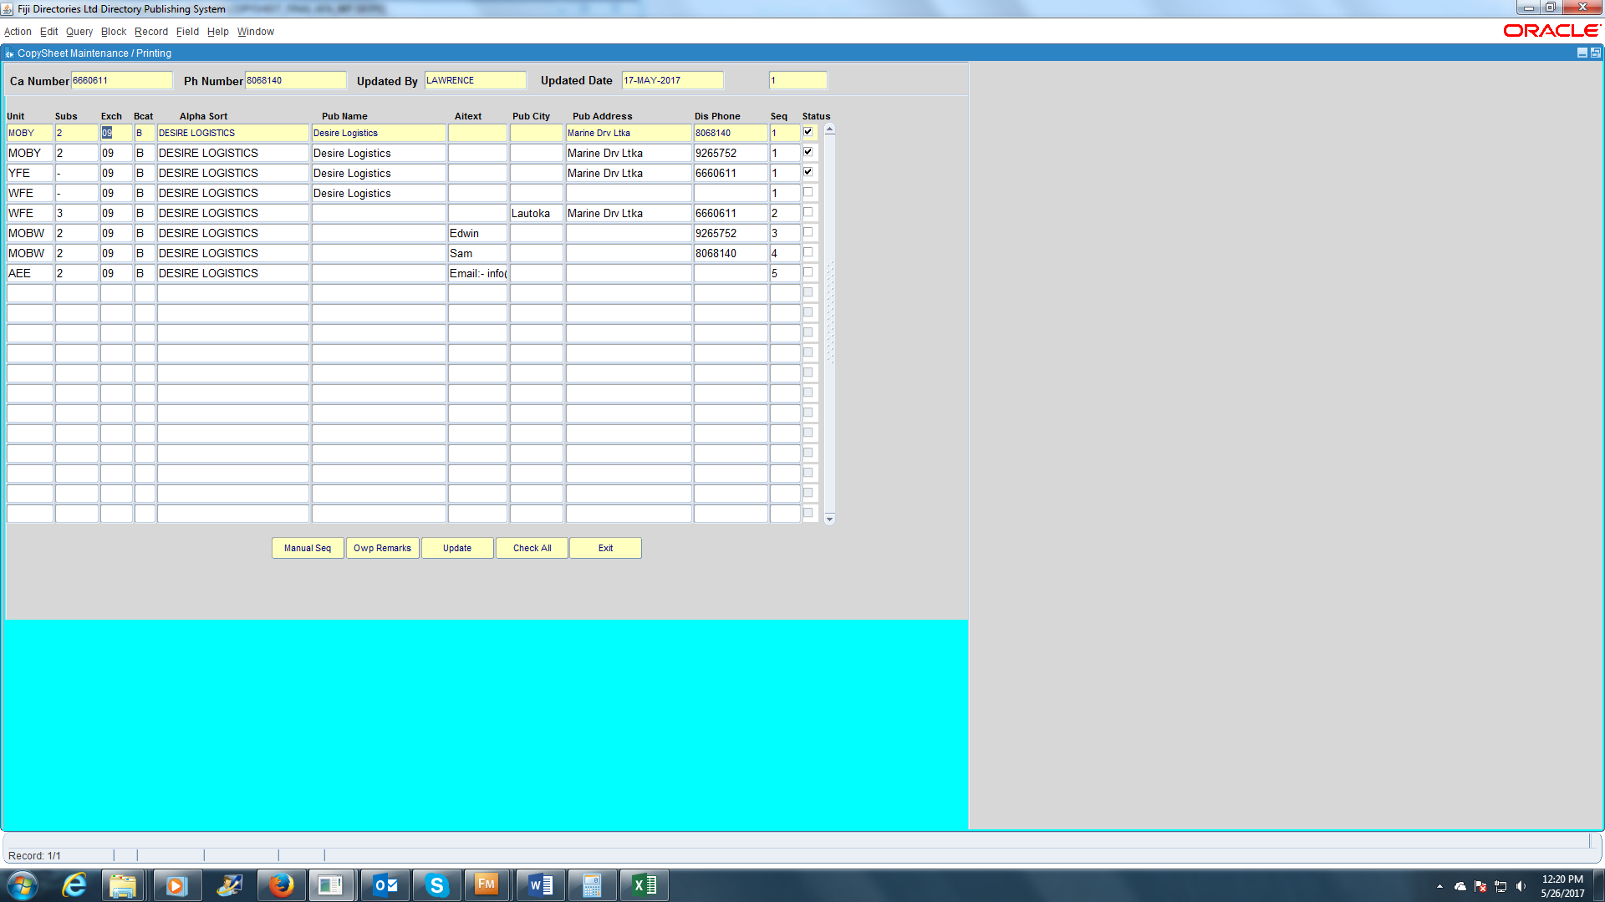

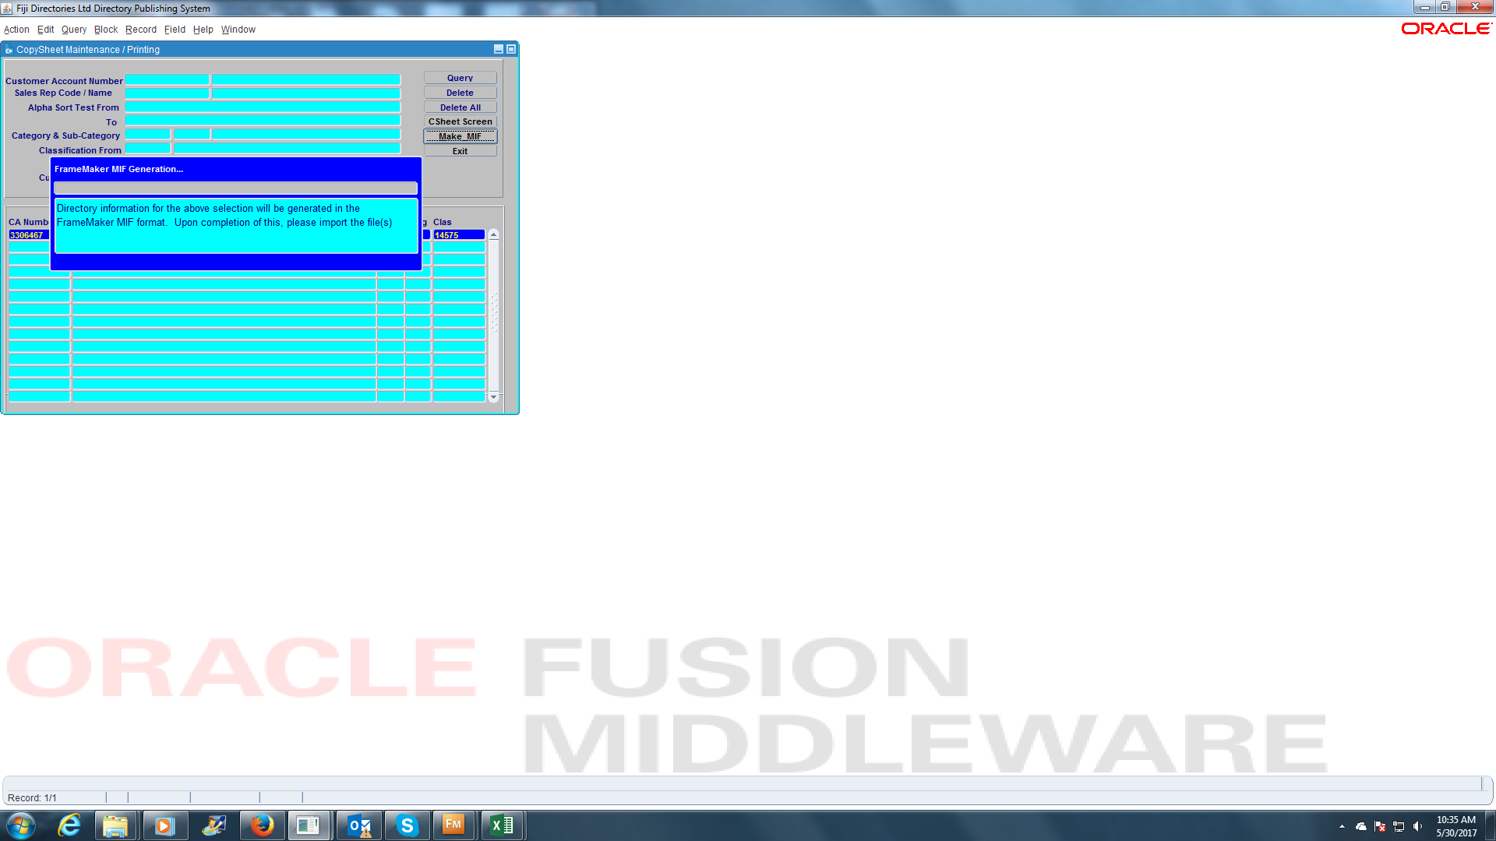
3 | 30.05.17 | Apisalome | CS Downloading for Framemaker | Copysheet Screen DOES NOT generate a file to download onto Framemaker.
 |  |  |  | 3306467 _ SUNSHINE AERATED WATER MANUFACTURING P W F LTD _3HS | Fixed

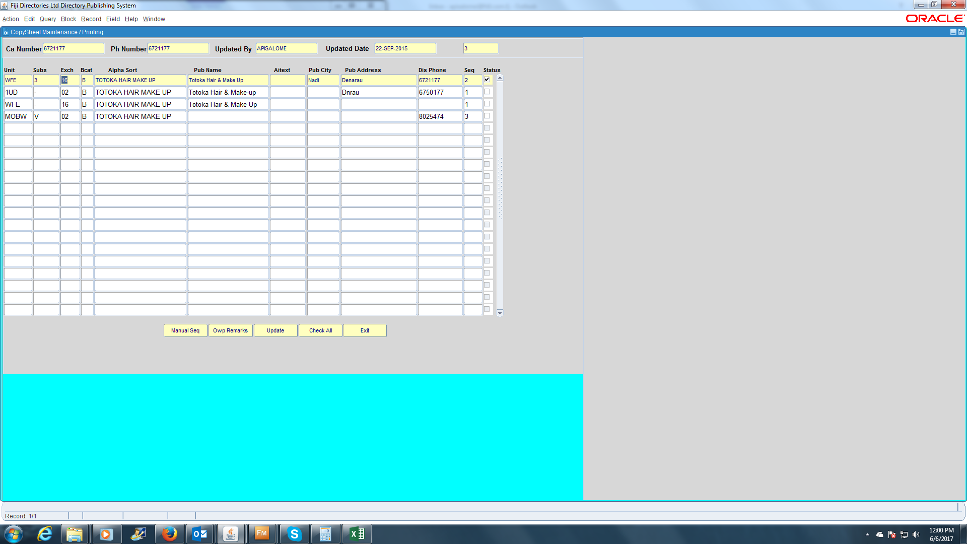
4 | 06.06.17 | Apisalome | Online Form | Online listing for new entry WHITE also includes Yellow Pages entries | Work In Progress

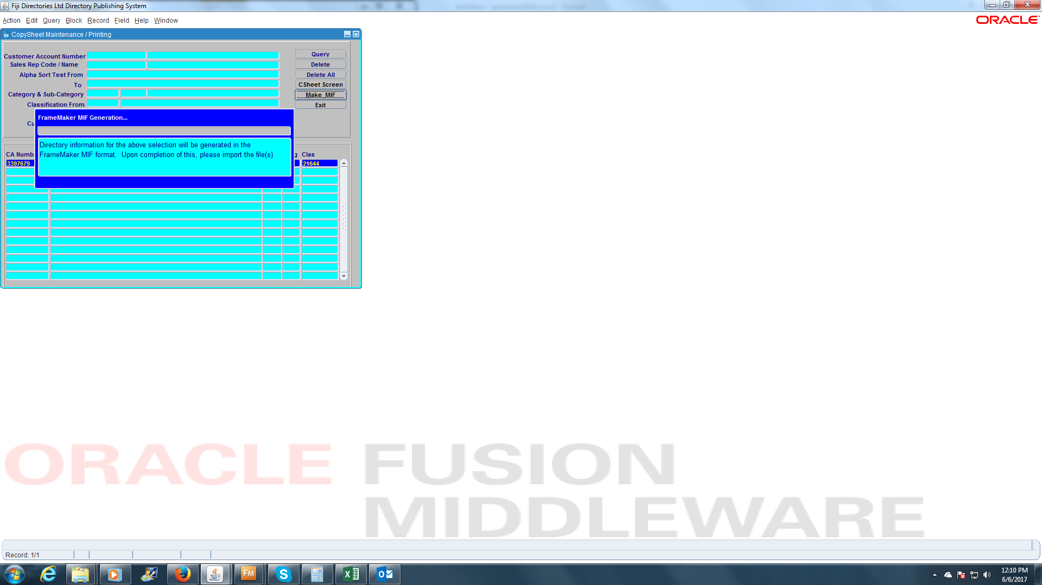
5 | 06.06.17 | Apisalome | CS Downloading for Framemaker | Copysheet Screen cannot generate file to download onto Framemaker
 |  |  |  | (Unions – Trade_MANUFACTURING COMMERCE ALLIED EMPLOYEES STAFF UNION_YFE ) | Fixed

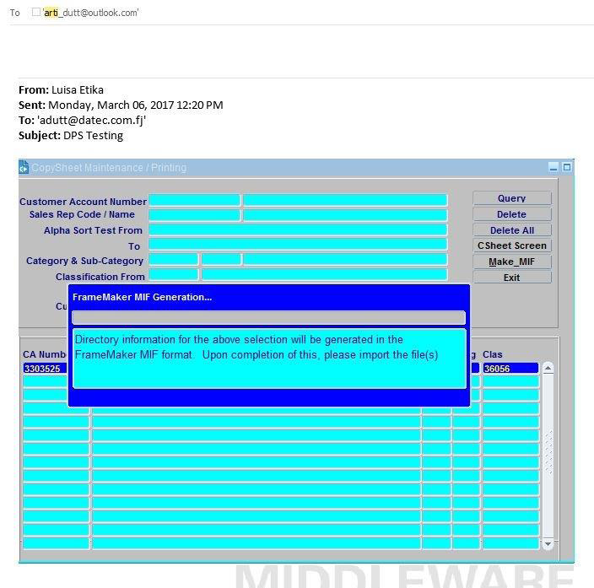

6 | 05.06.17 | Luisa | CS Downloading for Framemaker | Copysheet Screen cannot generate file to download onto Framemaker
 |  |  |  | (3303525 _ FIJI ASSOCIATION OF SPORTS NATIONAL OLYMPIC COMMITTEE) | Fixed

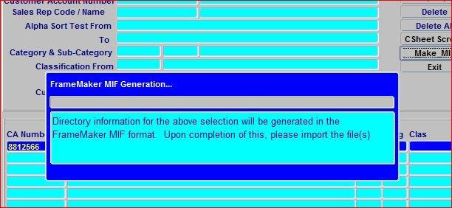
7 | 05.06.17 | Luisa | CS Downloading for Framemaker | Copysheet Screen cannot generate file to download onto Framemaker
 |  |  |  | 8812566 _ NORTHERN PROPERTY VALUATION CONSULTANT LTD) | Fixed

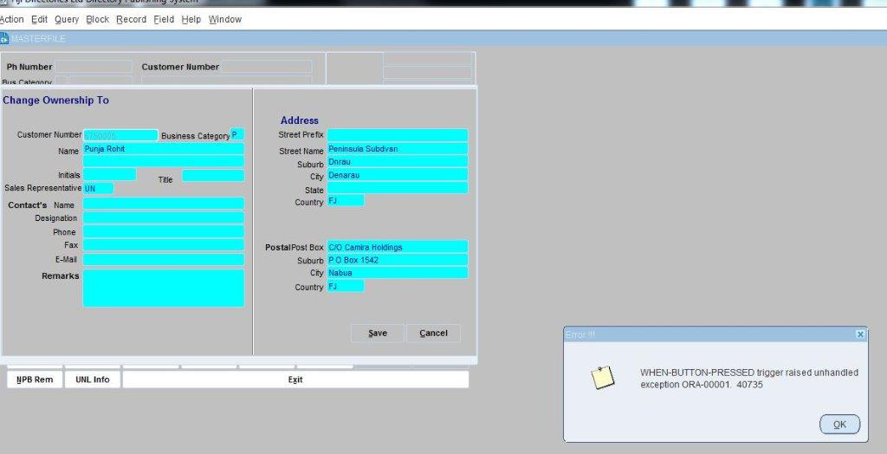
8 | 05.06.17 |  | Change of Ownership | Cannot do a direct change of ownership with the new system. The same goes for disconnected entries. | Work In Progress

9 | 07.06.17 | Maritina | Copyheet Screen Downloading | When we exit from MIF and try to go into the Classification box the Copysheet screen freezes for a while and then the drop down

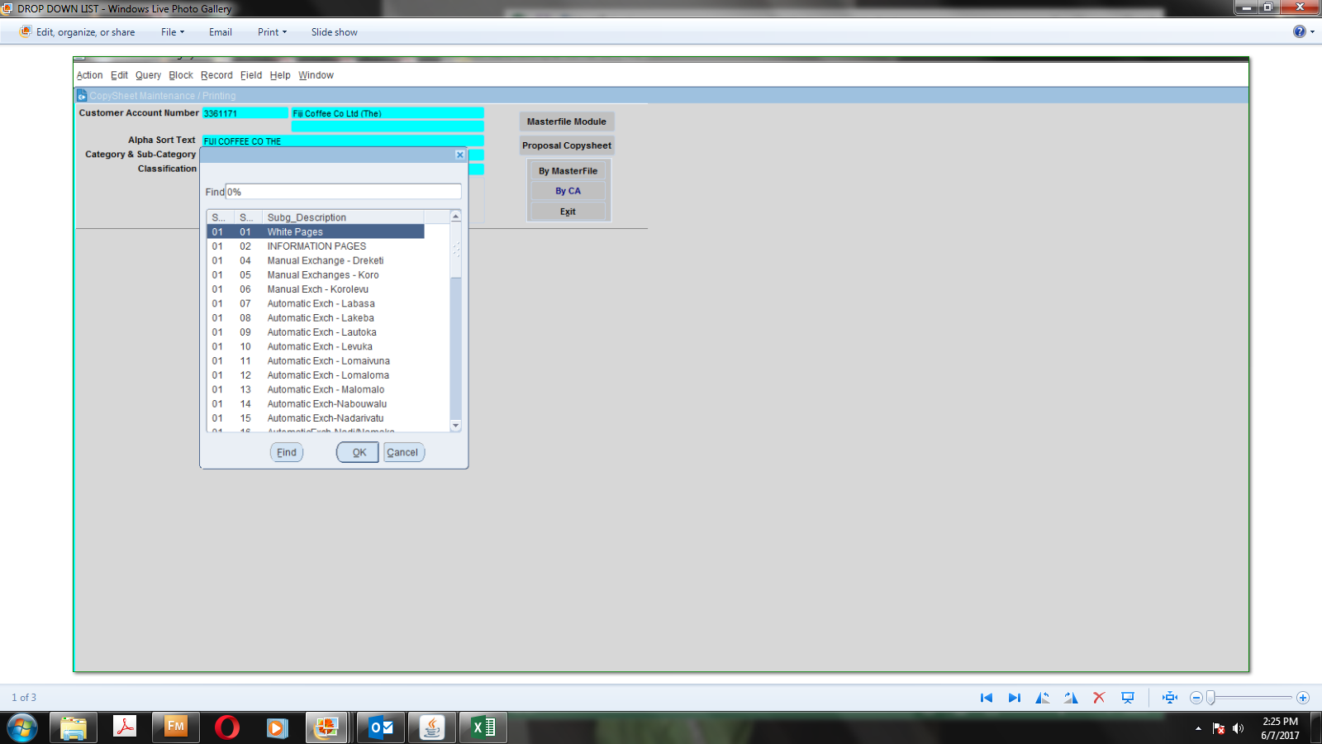

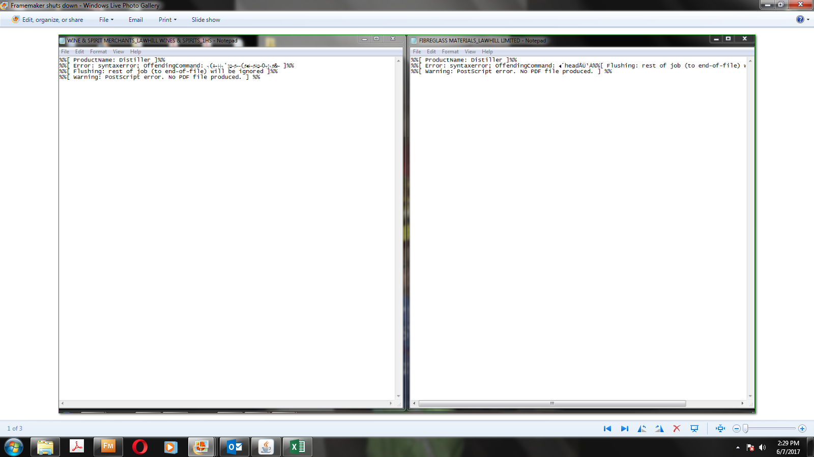
10 | 07.06.17 | Maritina | Copysheet Screen Downloading | Downloaded Listings on Framemaker to make PDF but Framemaker
 |  |  |  | shuts down on its own and the above attachment message pops up.

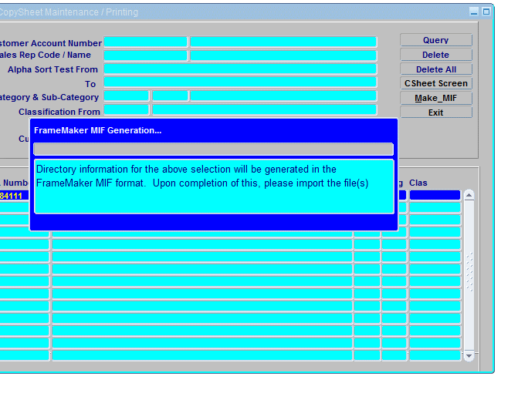

11 | 07.06.17 | Maraia | CS Downloading for Framemaker | Copysheet Screen cannot generate file to download onto Framemaker | Fixed
 |  |  |  | (RURAL MARITIME DEVELOPMENT NATIONAL DISASTER MANAGEMENT MINISTRY OF)

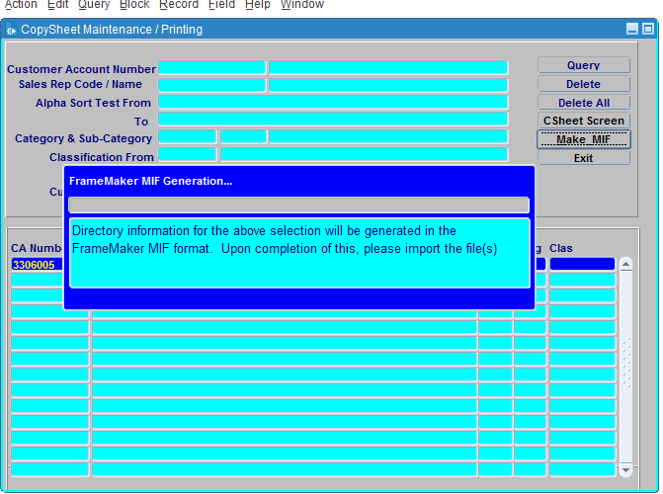

12 | 07.06.17 | Maraia | CS Downloading For Framemaker | Copysheet Screen cannot generate file to download onto Framemaker
 |  |  |  | (3306005 _ INFORMATION TECHNOLOGY AND COMPUTING SERVICES) | Fixed

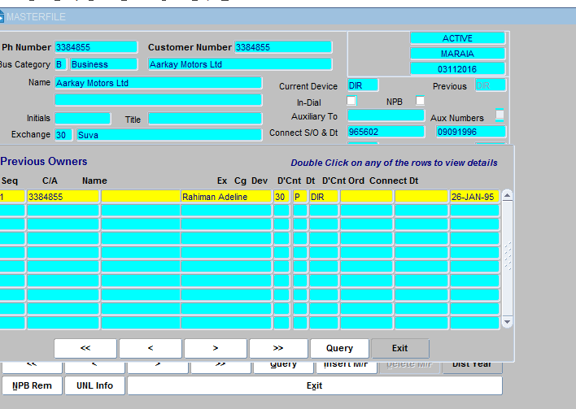

13 | 07.06.17 | Bernie | Previous Owners Details | Cant Access previous Owners details when double clicking | Need to check In old dps if its working

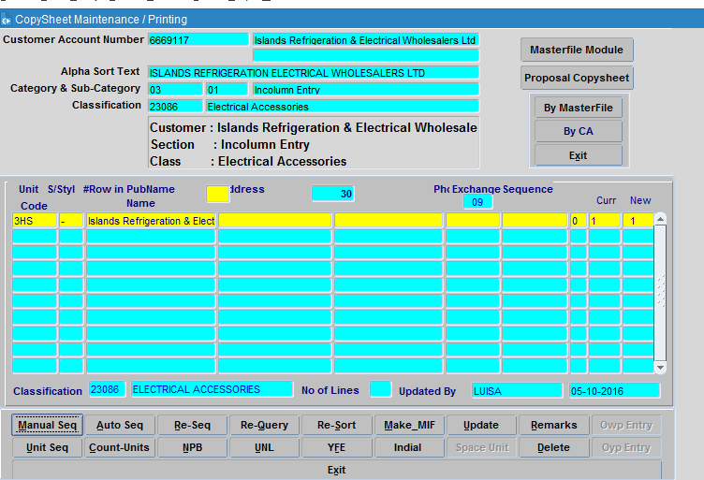
14 |  |  | CS Downloading for Framemaker | Copysheet Screen cannot generate file to download onto Framemaker |  | Copysheet Screen cannot generate file to download onto Framemaker
 |  |  |  | (6669117 _ ISLANDS REFRIGERATION ELECTRICAL WHOLESALERS LTD) | Fixed

